Sheet1
 | Document No. | Issue No. |  | Issue Date |  | Review and Replace Date |  |  | Authorised By
 | GFF402MC | 2 |  | 25.09.2023 |  | 27.03.2024 |  |  | Magda Shah
 | Document Title | LIDL CHICKEN SAMOSA 100G
Document amendments reason for change | Tray & Film Changed |  |  |  | Page 1 of 1 |  | Previous Issue Date | 25.09.2023 | Uncontrolled copy unless signed original

CSAL-G5T |  |  | LIDL |  | LIDL CHICKEN SAMOSA 100G
STEP 1 |  |  |  |  | STEP 2
 |  |  |  |  | 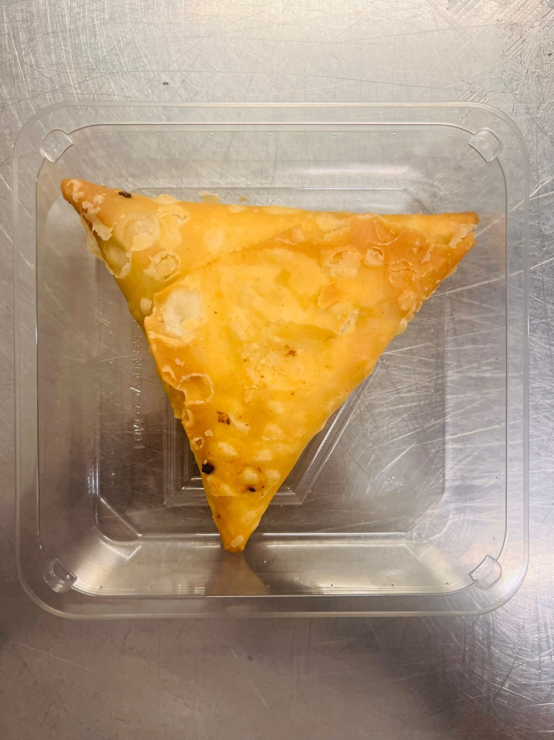

Tray: Grab & Go SQ Tray (141 X 141) (PKLEE001-13) |  |  |  |  | CHICKEN SAMOSA (GFF004R) 100g
Film: K peel 7G+25A/f-240mm (240mmX1000) (PKKMP001-08) |  |  |  |  | Total Weight: 100g
ALLERGY ALERT: WHEAT, SOYA

